Sheet1
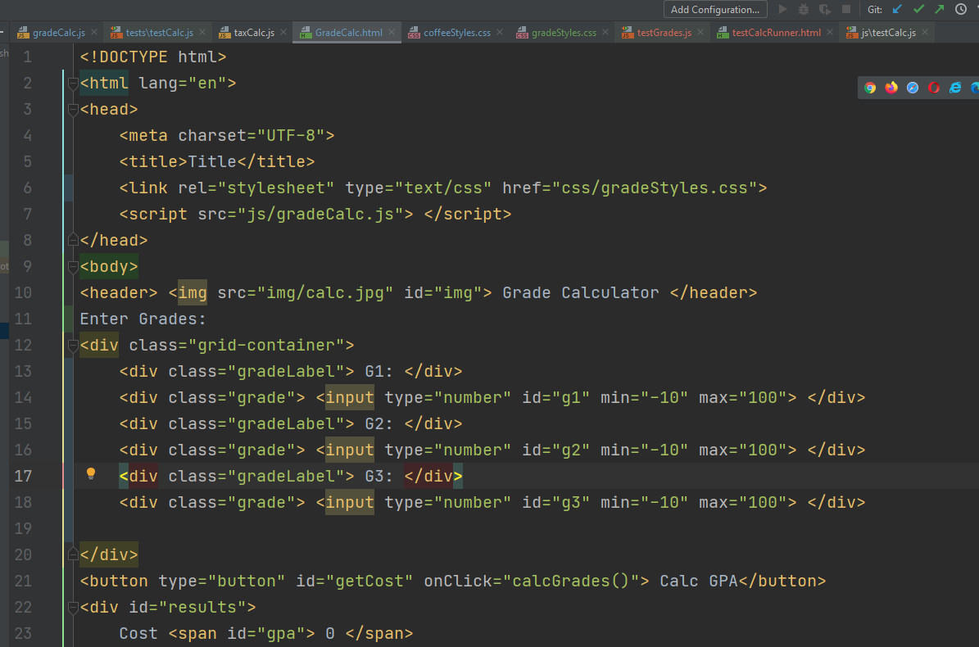
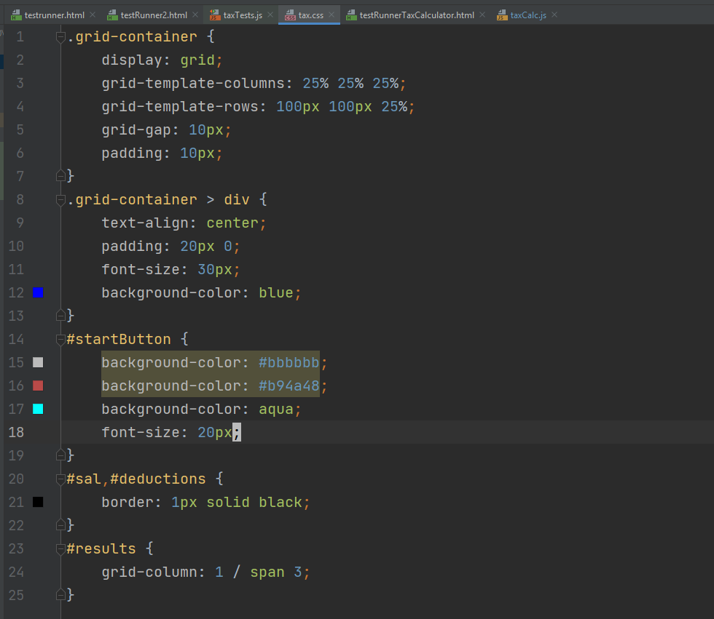

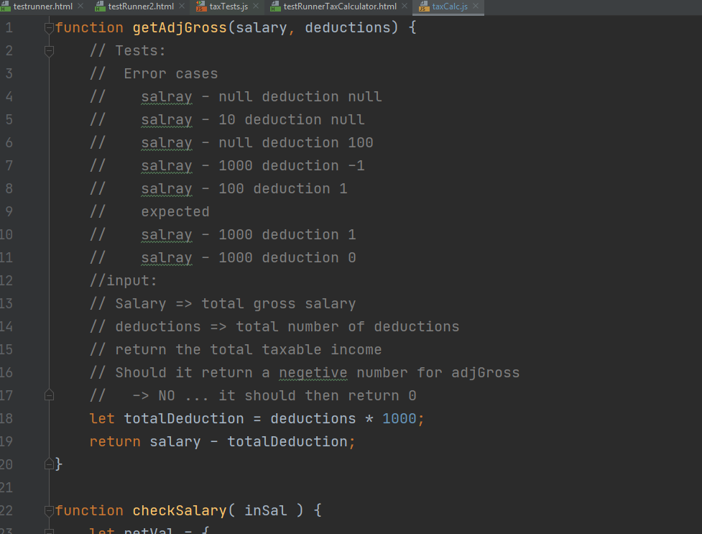

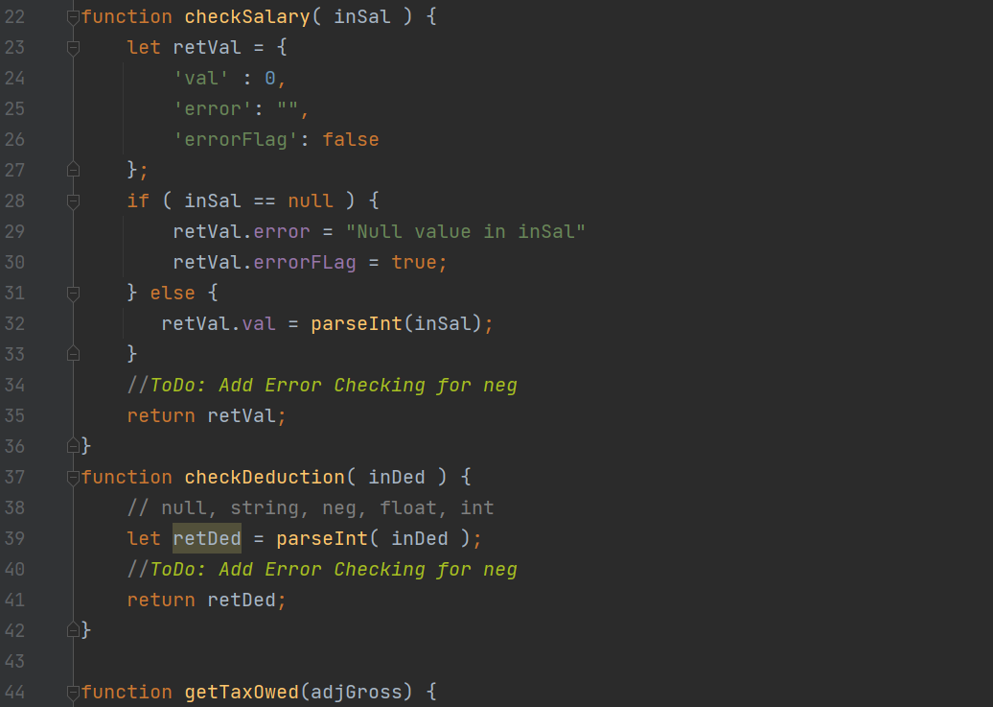

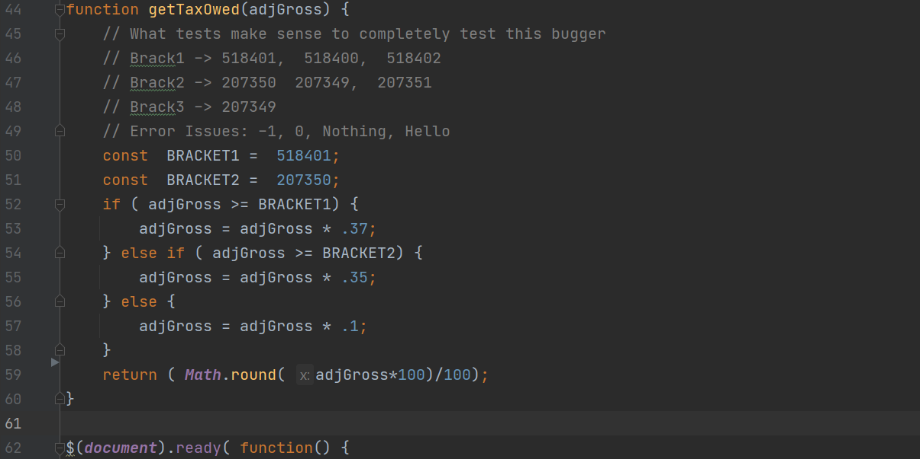

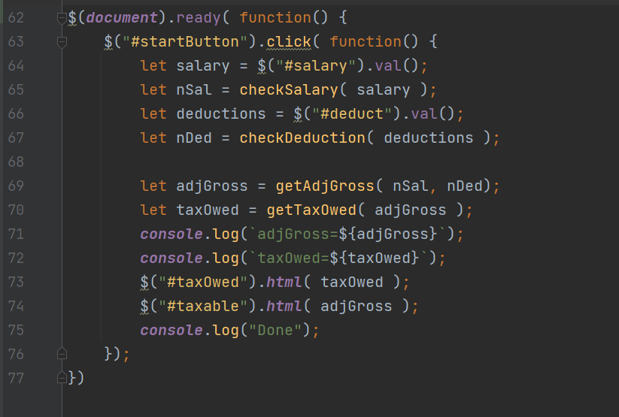

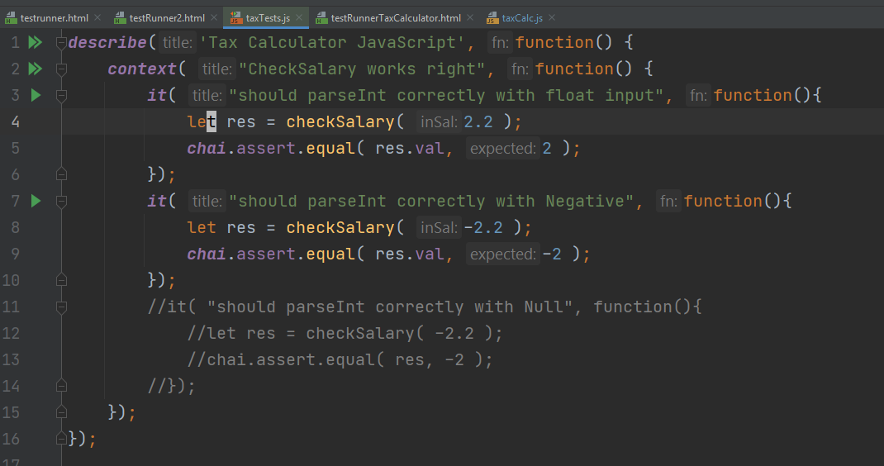

Sheet2
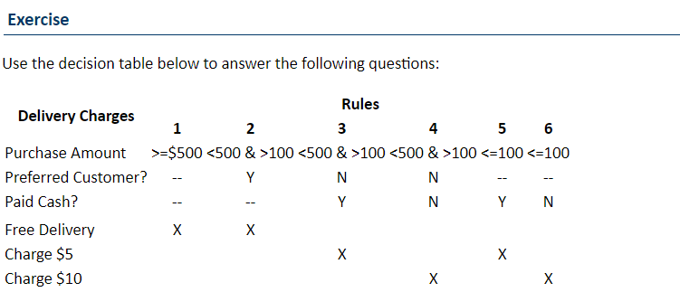
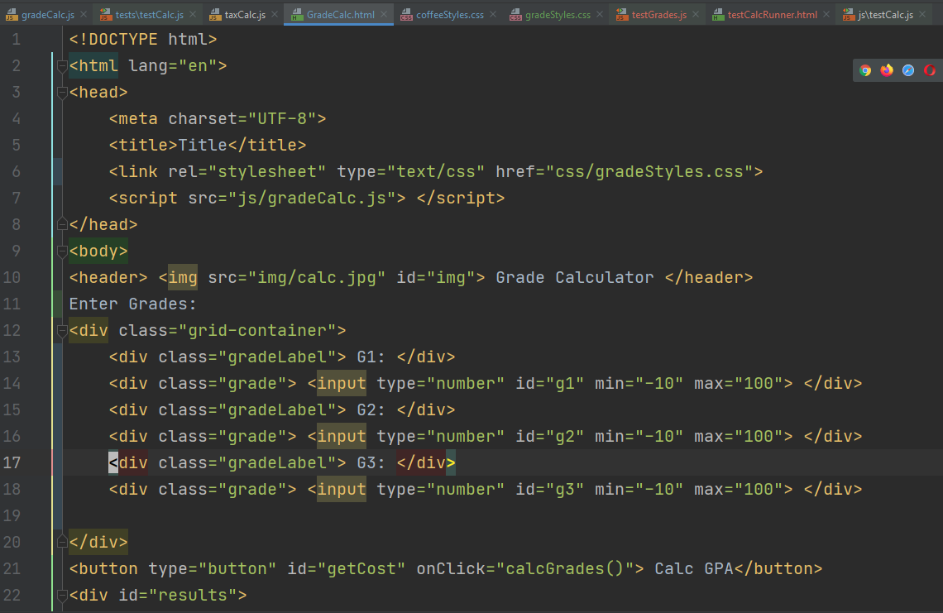
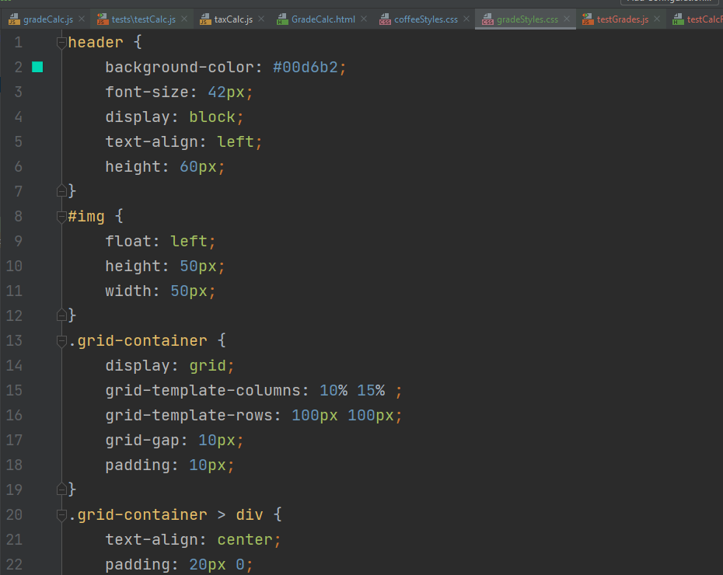

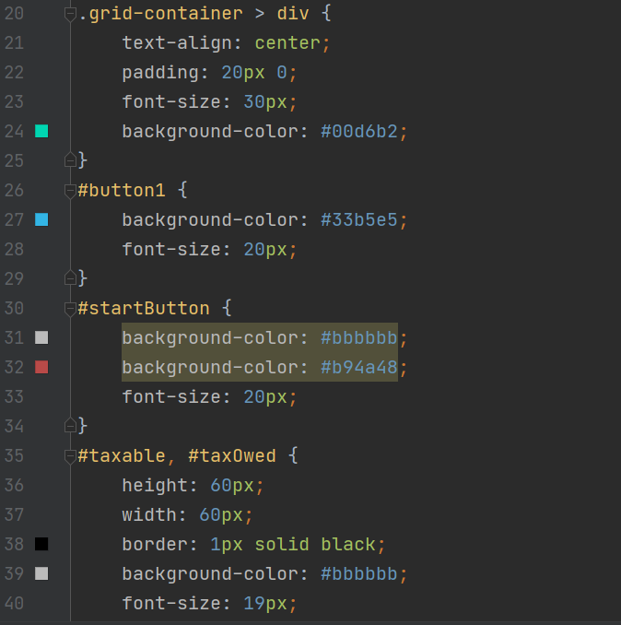

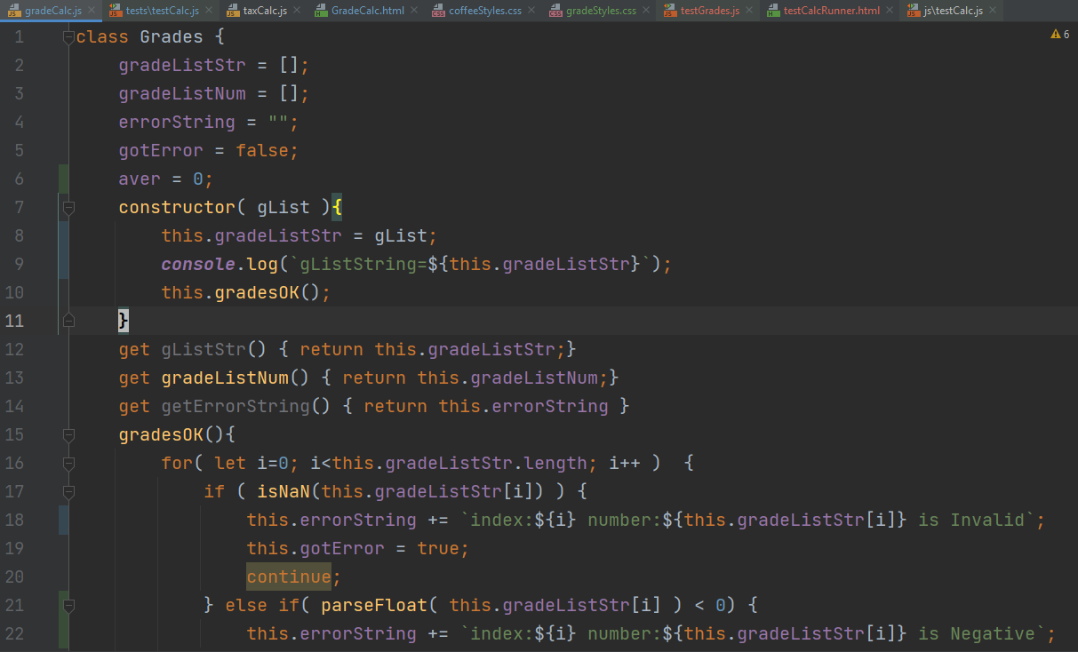

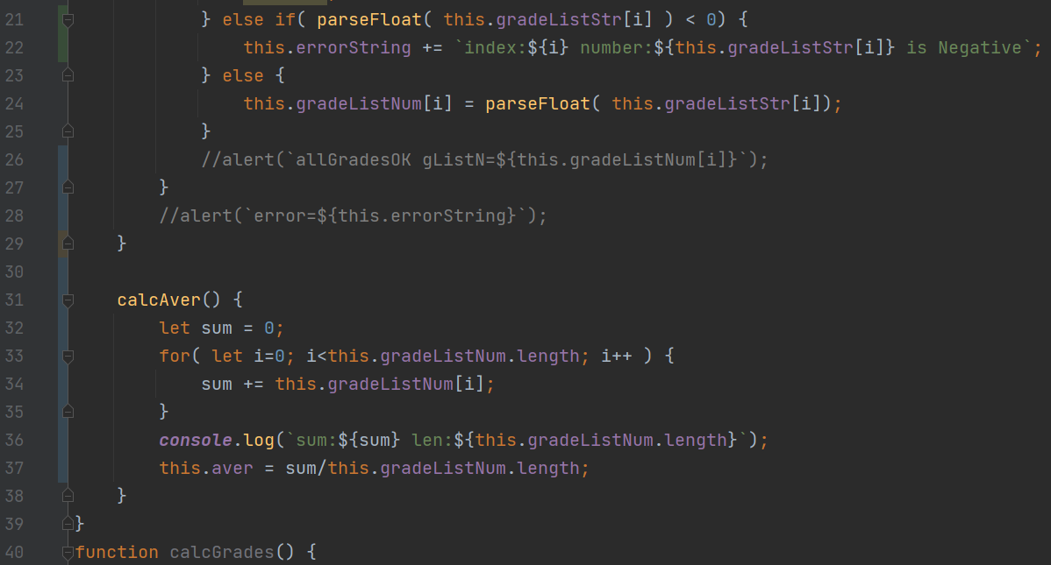

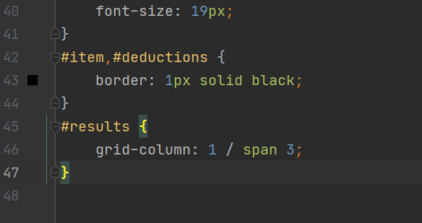

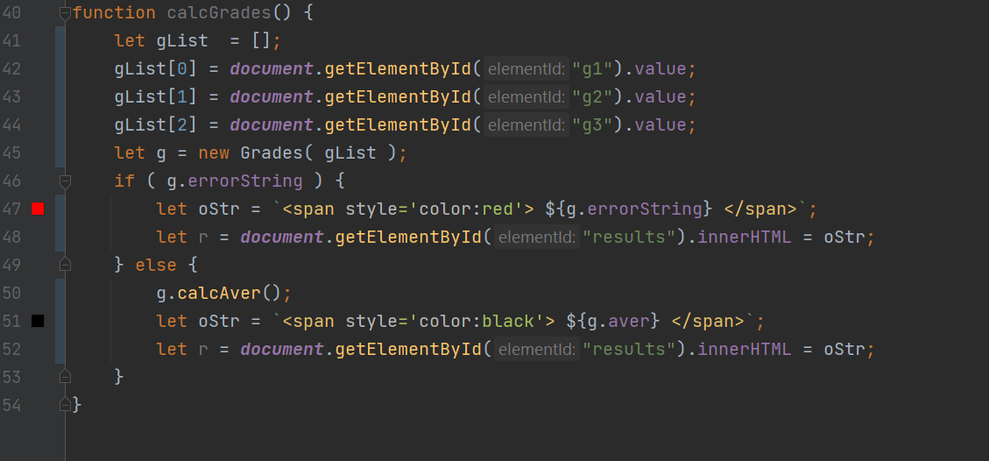
Rule 1 | G1, G2 and Gr 3 > 0 and numberic
Rule 2 | G1, G2, G3

Rule1 | G1 Must be numeric and > 0 and lt 100
Rule2 | G2 Must be numeric and > 0 and lt 101
Rule 3 | G3 Must be numeric and > 0 and lt 102
Rule 4 | Average Correctly 3 values
Rule 4 | G2 must be numeric
Rule 5 | Average Correctly

http://www-acad.sheridanc.on.ca/~jollymor/info16029/week4.html

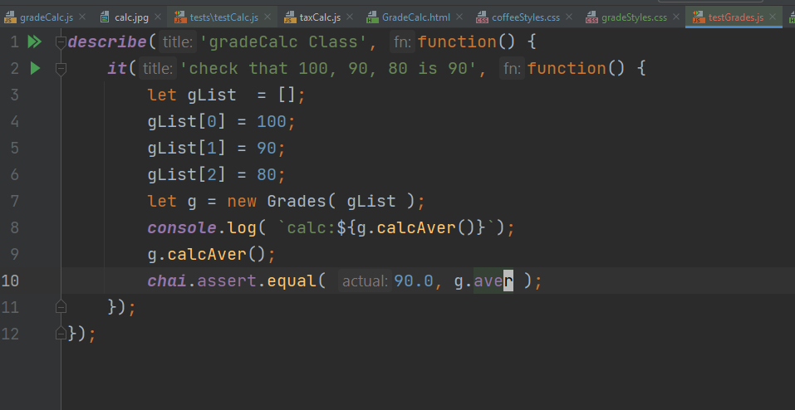
Decion Table | T1 | T2 | T3 | T4 | T5 | T6 | T7 | T8
GR1 | NaN | 1 | 1 | NaN | 1 | NaN | NaN | 1
GR2 | 1 | NaN | 1 | NaN | NaN | 1 | NaN | 1
GR3 | 1 | 1 | NaN | 1 | NaN | NaN | NaN | 1
Output | Not OK | Not OK | Not OK | Not OK | Not OK | Not OK | Not OK | OK

GR1
GR2
GR3
describe('gradeCalc Class', function() { let gList = []; before( () => { gList[0] = 100; gList[1] = 90; gList[2] = 80; alert("Do this first"); }); context( "Input OK", function() { after( () => { alert("Tests are done"); }); it('check that 100, 90, 80 is 90', function() { //let gList = []; // // gList[0] = 100; //gList[1] = 90; //gList[2] = 80; let g = new Grades( gList ); console.log( `calc:${g.calcAver()}`); g.calcAver(); chai.assert.equal( 90.0, g.aver ); }); }); });
Output

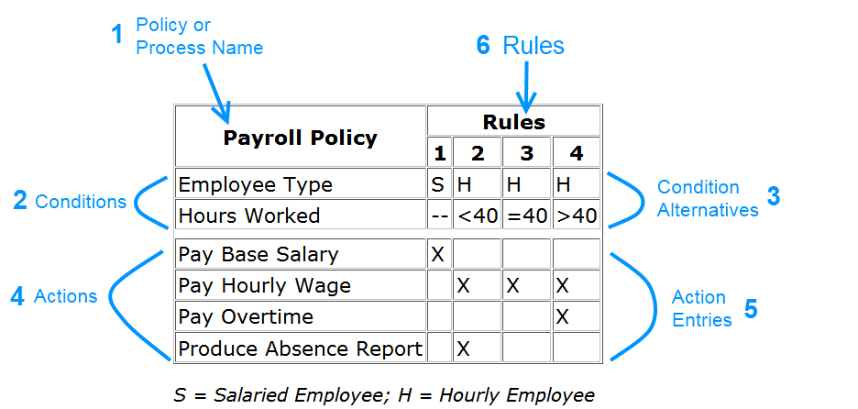

The Rules are the numbered columns in the table. To read a table, you locate the applicable rule by finding the column that matches a given criteria for the conditions.
For example, Rule 1 states that if an employee is salaried, it doesn't matter how many hours they worked: the action will always be to pay them their base salary. In this example, we are indifferent to the value of the "hours worked" condition - it's value doesn't matter.
See if you can explain rules 2 and 3 in your own words...
Rule 2: If an employee is hourly and works less than 40 hours, pay them their hourly wage and produce an absence report for this employee.
Rule 3: If an employee is hourly and works exactly forty hours, pay them their hourly wage.

